Results
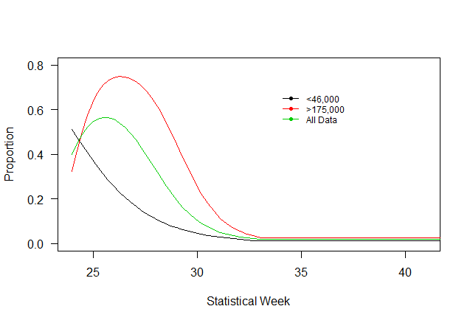
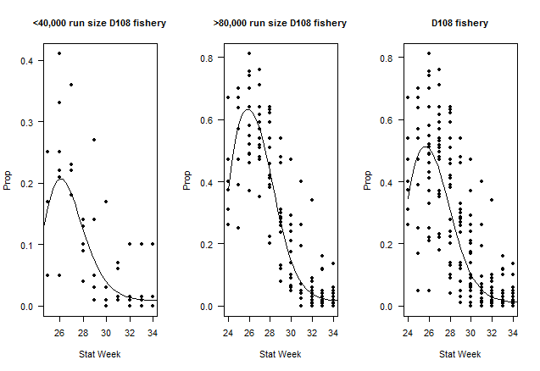
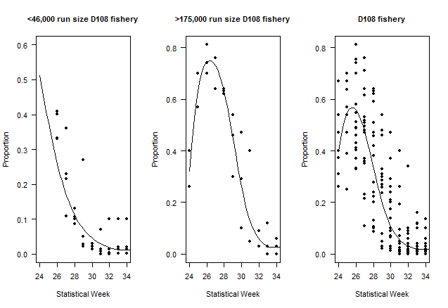
Table 1: District 108 Tahltan Proportion of Catch

Data (Fishing District, Trigger Run Size) | Model | Description | Parameters (p) | Datapoints (n) | AICc | ΔAICc | adj. R2
D108 <46,000 | A1 | Linear | 2 | 36 | 116 | 4 | 0.53
D108 <46,000 | A2 | Polynomial (2) | 3 | 36 | 111 | 0 | 0.60
D108 <46,000 | A3 | Polynomial (3) | 4 | 36 | 112 | 1 | 0.61
D108 >175,000 | A4 | Linear | 2 | 30 | 106 | 17 | 0.58
D108 >175,000 | A5 | Polynomial (2) | 3 | 30 | 91 | 2 | 0.76
D108 >175,000 | A6 | Polynomial (3) | 4 | 30 | 89 | 0 | 0.79
D108 | A7 | Linear | 2 | 167 | 543 | 19 | 0.61
D108 | A8 | Polynomial (2) | 3 | 167 | 534 | 10 | 0.63
D108 | A9 | Polynomial (3) | 4 | 167 | 523 | 0 | 0.66

